Sheet1
Test Case ID | Test Description | Test Objective | Steps | Expected Results | Pass/Fail | Tester: Harrison Futch
TC_001 | Verify that users can access the website through the standard URL | Ensure the website loads correctly without errors | 1. Open a web browser 2. Navigate to https://buwebdev.github.io/todo/ 3. Verify that the page loads without errors 4. Refresh the browser window 5. Verify that the page reloads correctly | The website should load and refresh without any errors. | Pass | 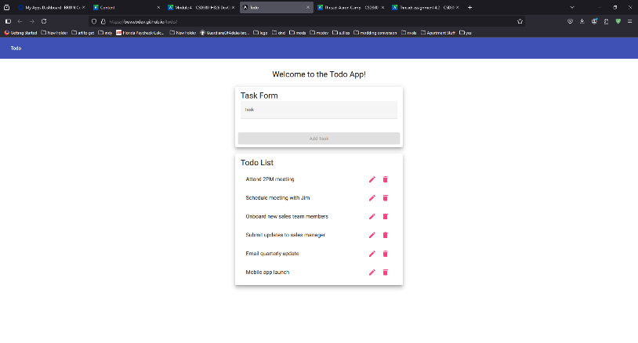
TC_002 | Verify that users can create a new todo task item | Ensure that new tasks can be added to the list | 1. Navigate to the website 2. Click on 'Add Task' button 3. Enter a valid task name 4. Click 'Submit' 5. Verify that the new task appears in the list | The new task should appear in the list after submission. | Pass |  | 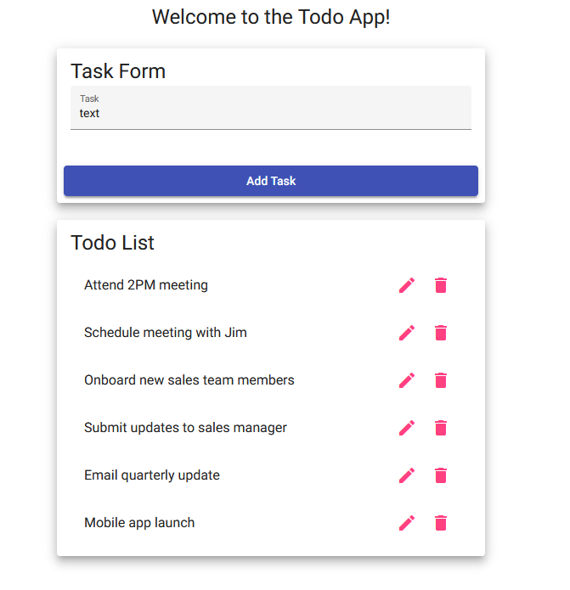 |  | 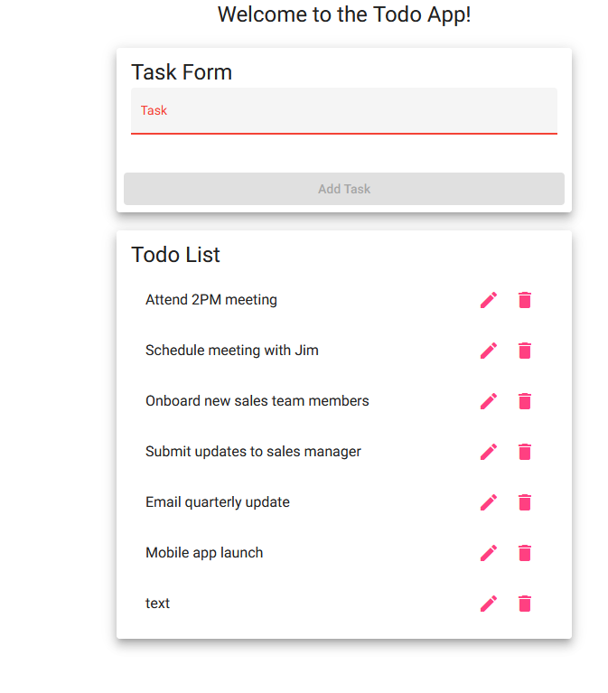
TC_003 | Verify that users can edit an existing todo task item | Ensure that tasks can be modified | 1. Navigate to the website 2. Select an existing task 3. Click the 'Edit' button 4. Modify the task details 5. Click 'Save' 6. Verify that the updated task is displayed correctly | The task details should update correctly. | Pass |  | 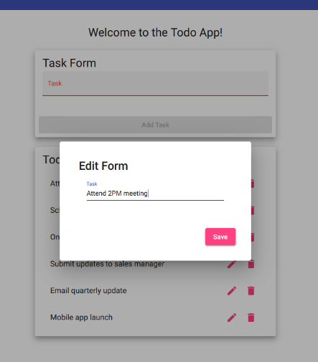 | 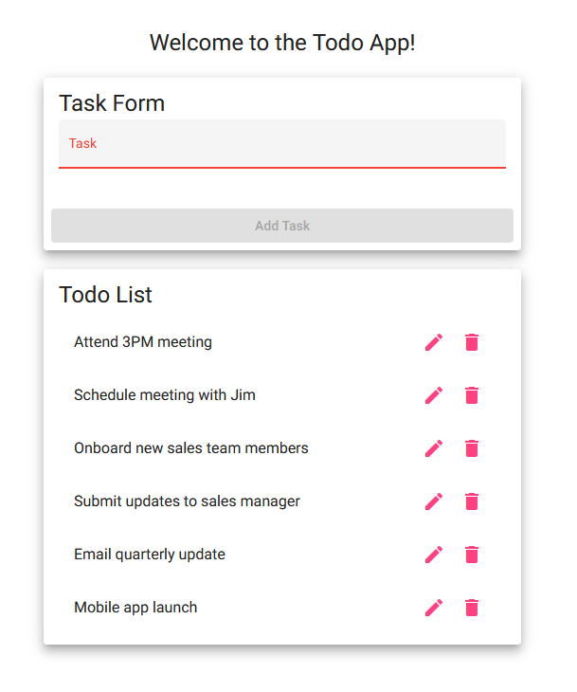
TC_004 | Verify that users can delete a todo task item | Ensure that tasks can be removed | 1. Navigate to the website 2. Select an existing task 3. Click the 'Delete' button 4. Confirm the deletion 5. Verify that the task is removed from the list | The task should be removed from the list after confirmation. | Pass |  |  |  | 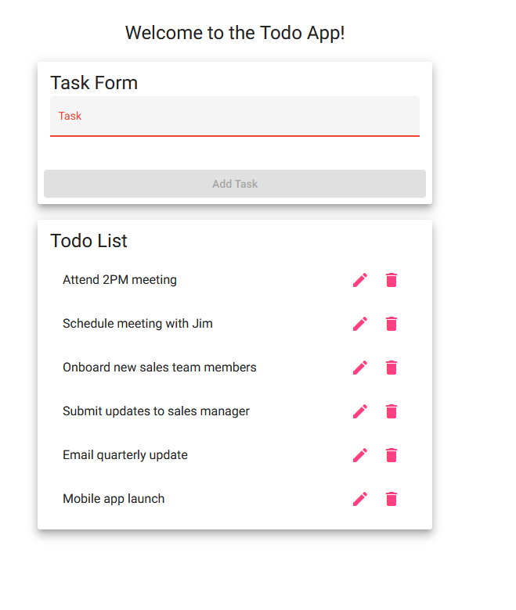
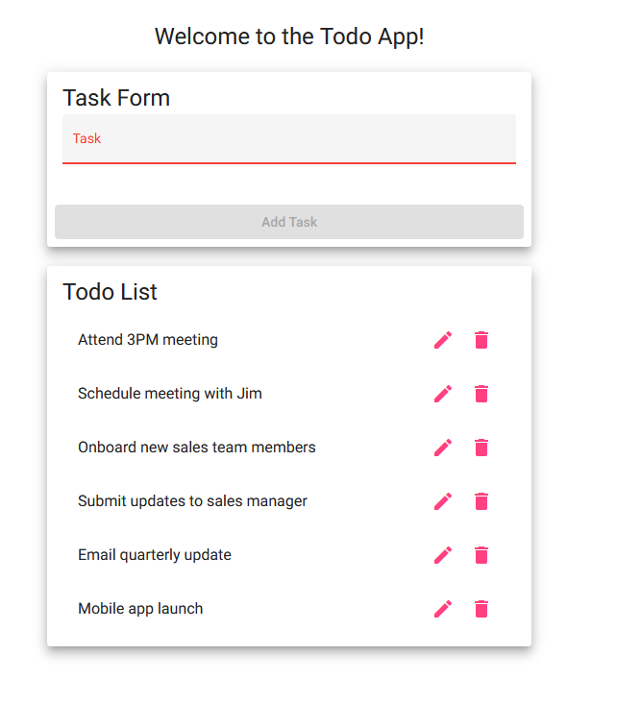
TC_005 | Verify that the system prevents submission of empty tasks | Ensure that users cannot submit empty tasks | 1. Navigate to the website 2. Click on 'Add Task' button 3. Leave the task input field empty 4. Click 'Submit' 5. Verify that an error message is displayed | An error message should be displayed, and the empty task should not be added. | Pass

